SUPERETERODINA
 |  |  |  | ALLINEAMENTO SUPERETERODINA |  |  |  |  |  |  |  |  |  |  |  | -0.47%
 |  |  |  |  |  |  |  |  |  |  |  |  |  |  |  | -0.15%
 |  |  |  |  |  |  |  |  |  |  |  |  |  |  |  | 0.09%
 |  |  |  |  |  |  |  |  |  |  |  |  |  |  |  | 0.26%
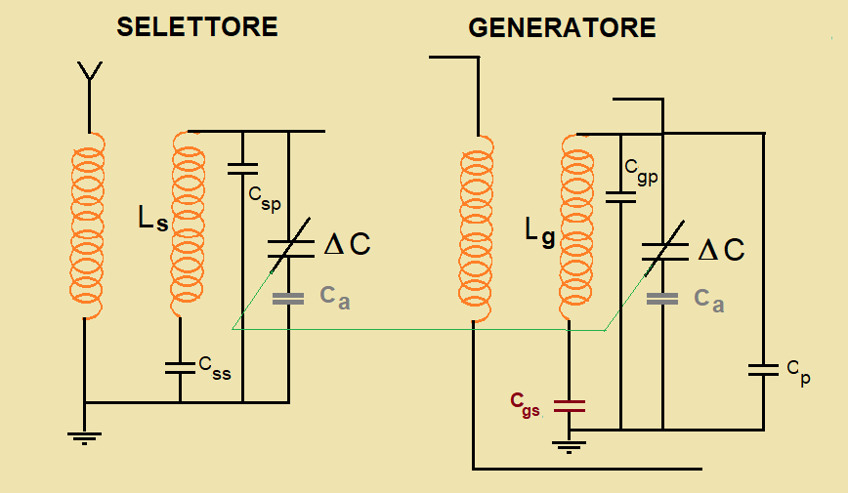
 |  |  |  |  |  |  |  |  |  |  |  |  |  |  |  | 0.38%
 |  |  |  |  |  |  |  |  |  |  |  |  |  |  |  | 0.46%
 |  |  |  |  |  |  |  |  |  |  |  |  |  |  |  | 0.51%
 |  |  |  |  |  |  |  |  |  |  |  |  |  |  |  | 0.54%
 |  |  |  |  |  |  |  |  |  |  |  |  |  |  |  | 0.54%
 |  |  |  |  |  |  |  |  |  |  |  |  |  |  |  | 0.54%
 |  |  |  |  |  |  |  |  |  |  |  |  |  |  |  | 0.52%
 |  |  |  |  |  |  |  |  |  |  |  |  |  |  |  | 0.49%
 |  |  |  |  |  |  |  |  |  |  |  |  |  |  |  | 0.45%
 |  |  |  |  |  |  |  |  |  |  |  |  |  |  |  | 0.41%
 |  |  |  |  |  |  |  |  |  |  |  |  |  |  |  | 0.37%
 |  |  |  |  |  |  |  |  |  |  |  |  |  |  |  | 0.32%
 |  |  |  |  |  |  |  |  |  |  |  |  |  |  |  | 0.27%
 |  |  |  |  |  |  |  |  |  |  |  |  |  |  |  | 0.22%
 |  |  |  |  |  |  |  |  |  |  |  |  |  |  |  | 0.17%
INPUT |  |  |  | OUTPUT |  |  |  |  |  |  |  |  |  |  |  | 0.12%
 |  |  |  |  |  |  |  |  |  |  |  |  |  |  |  | 0.07%
fsmax = | 1.500 | Mhz |  | Css= | 0 | pF |  | Csmax= | 484 | pF | fsmax= | 1.500 | Mhz | (fsmax/fsmin)2= | 9.00 | 0.02%
 |  |  |  |  |  |  |  |  |  |  |  |  |  |  |  | -0.02%
fsmin = | 0.500 | Mhz |  | Csp= | 0 | pF |  | Csmin= | 54 | pF | fsmin= | 0.500 | Mhz | Csmax/Csmin= | 9.00 | -0.07%
 |  |  |  |  |  |  |  |  |  |  |  |  |  |  |  | -0.11%
Fi = | 0.450 | Mhz |  | Cgs= | 479 | pF | PADDING | Cgmin= | 59 | pF | fgmax= | 1.943 | Mhz | (fgmax/fgmin)2= | 4.16 | -0.16%
 |  |  |  |  |  |  |  |  |  |  |  |  |  |  |  | -0.20%
CmaxF = | 450 | pF | valore di fabbrica | Cgp= | 13 | pF |  | Cgmax= | 244 | pF | fgmin= | 0.953 | Mhz | Cgmax/Cgmin= | 4.16 | -0.24%
 |  |  |  |  |  |  |  |  |  |  |  |  |  |  |  | -0.27%
CminF = | 20 | pF | valore di fabbrica | Cp= | 0 | pF |  | C f = | 34 | pF | capacità di fondo |  |  | OK |  | -0.31%
 |  |  |  |  |  |  |  |  |  |  |  |  |  |  |  | -0.34%
Ca = | 0 | pF |  | Ls= | 209.45 | mH |  |  |  |  |  |  |  |  |  | -0.37%
 |  |  |  |  |  |  |  |  |  |  |  |  |  |  |  | -0.40%
 |  |  |  | Lg= | 114.45 | mH |  |  |  |  |  |  |  |  |  | -0.43%
 |  |  |  |  |  |  |  |  |  |  |  |  |  |  |  | -0.45%
 |  |  |  |  |  |  |  |  |  |  |  |  |  |  |  | -0.47%
 |  |  |  |  |  |  |  |  |  |  |  |  |  |  |  | -0.49%
 |  |  |  |  |  |  |  |  |  |  |  |  |  |  |  | -0.51%
 |  |  |  |  |  |  |  |  |  |  |  |  |  |  |  | -0.53%
 |  |  |  |  |  |  |  |  |  |  |  |  |  |  |  | -0.54%
 |  |  |  |  |  |  |  |  |  |  |  |  |  |  |  | -0.55%
 |  |  |  |  |  |  |  |  |  |  |  |  |  |  |  | -0.56%
 |  |  |  |  |  |  |  |  |  |  |  |  |  |  |  | -0.57%
 |  |  |  |  |  |  |  |  |  |  |  |  |  |  |  | -0.58%
 |  |  |  |  |  |  |  |  |  |  |  |  |  |  |  | -0.58%
 |  |  |  |  |  |  |  |  |  |  |  |  |  |  |  | -0.58%
 |  |  |  |  |  |  |  |  |  |  |  |  |  |  |  | -0.58%
 |  |  |  |  |  |  |  |  |  |  |  |  |  |  |  | -0.58%
 |  |  |  |  |  |  |  |  |  |  |  |  |  |  |  | -0.58%
 |  |  |  |  |  |  |  |  |  |  |  |  |  |  |  | -0.58%
 |  |  |  |  |  |  |  |  |  |  |  |  |  |  |  | -0.57%
 |  |  |  |  |  |  |  |  |  |  |  |  |  |  |  | -0.56%
 |  |  |  |  |  |  |  |  |  |  |  |  |  |  |  | -0.55%
 |  |  |  |  |  |  |  |  |  |  |  |  |  |  |  | -0.54%
 |  |  |  |  |  |  |  |  |  |  |  |  |  |  |  | -0.53%
 |  |  |  |  |  |  |  |  |  |  |  |  |  |  |  | -0.51%
 |  |  |  |  |  |  |  |  |  |  |  |  |  |  |  | -0.50%
 |  |  |  |  |  |  |  |  |  |  |  |  |  |  |  | -0.48%
 |  |  |  |  |  |  |  |  |  |  |  |  |  |  |  | -0.46%
 |  |  |  |  |  |  |  |  |  |  |  |  |  |  |  | -0.44%
 |  |  |  |  |  |  |  |  |  |  |  |  |  |  |  | -0.42%
 |  |  |  |  |  |  |  |  |  |  |  |  |  |  |  | -0.39%
 |  |  |  |  |  |  |  |  |  |  |  |  |  |  |  | -0.37%
 |  |  |  |  |  |  |  |  |  |  |  |  |  |  |  | -0.34%
 |  |  |  |  |  |  |  |  |  |  |  |  |  |  |  | -0.32%
 |  |  |  |  |  |  |  |  |  |  |  |  |  |  |  | -0.29%
 |  |  |  |  |  |  |  |  |  |  |  |  |  |  |  | -0.26%
 |  |  |  |  |  |  |  |  |  |  |  |  |  |  |  | -0.23%
 |  |  |  |  |  |  |  |  |  |  |  |  |  |  |  | -0.20%
 |  |  |  |  |  |  |  |  |  |  |  |  |  |  |  | -0.16%
 |  |  |  |  |  |  |  |  |  |  |  |  |  |  |  | -0.13%
 |  |  |  |  |  |  |  |  |  |  |  |  |  |  |  | -0.10%
 |  |  |  |  |  |  |  |  |  |  |  |  |  |  |  | -0.06%
 |  |  |  |  |  |  |  |  |  |  |  |  |  |  |  | -0.02%
 |  |  |  |  |  |  |  |  |  |  |  |  |  |  |  | 0.02%
 |  |  |  |  |  |  |  |  |  |  |  |  |  |  |  | 0.05%
 |  |  |  |  |  |  |  |  |  |  |  |  |  |  |  | 0.09%
 |  |  |  |  |  |  |  |  |  |  |  |  |  |  |  | 0.14%
 |  |  |  |  |  |  |  |  |  |  |  |  |  |  |  | 0.18%
 |  |  |  |  |  |  |  |  |  |  |  |  |  |  |  | 0.22%
 |  |  |  |  |  |  |  |  |  |  |  |  |  |  |  | 0.26%
 |  |  |  |  |  |  |  |  |  |  |  |  |  |  |  | 0.31%
 |  |  |  |  |  |  |  |  |  |  |  |  |  |  |  | 0.35%
 |  |  |  |  |  |  |  |  |  |  |  |  |  |  |  | 0.40%
 |  |  |  |  |  |  |  |  |  |  |  |  |  |  |  | 0.45%
 |  |  |  |  |  |  |  |  |  |  |  |  |  |  |  | 0.50%
 |  |  |  |  |  |  |  |  |  |  |  |  |  |  |  | 0.54%

